Calculator
 |  |  |  |  |  |  |  |  |  |  | 1
 |  |  | Belimo Steam Valve Sizing Tool
SHOW / HIDE STEPS
CLOSE TOOL
i
A P P L I C A T I O N D A T A

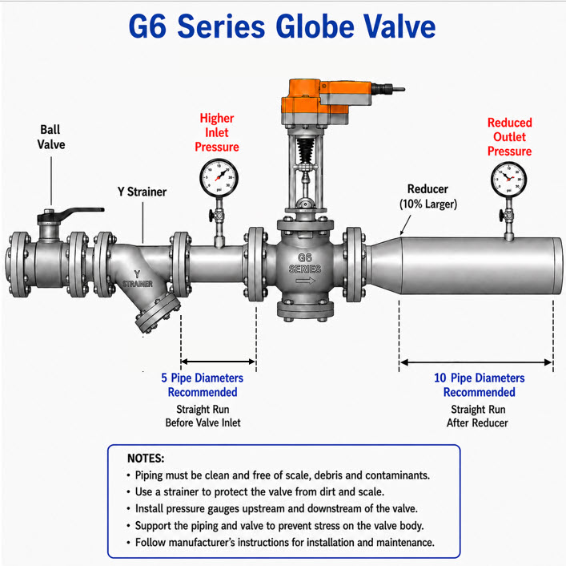
Application [APP] |  | -Select-
On/Off or Modulating Control? [Ctrl] |  | -Select-

S T E A M D A T A

?
?
?
FLOWRATE [Q] | 0.00 | LB/HR
Supply INLET Pressure [PI] | 0 | PSIG
OUTLET Pressure [PO] | 0 | PSIG
?
Atmospheric Pressure [AP] | 14.7 | Default

RESET
CALCULATE
DISPLAY CV'S
ADD TO SUMMARY

 |  | 16.7 |  |  |  |  |  | `
 |  | 25.954820258 |  | C O R R E C T E D P R E S S U R E D R O P [H] & [Q] B A S E D O N V A L V E Cv |  |  |  |  |  | Temp Diags
C v C A L C U L A T O R R E S U L T S |  |  |  |  |  |  |  |  | PI | 0
 |  |  |  |  |  |  | Valve Selection |  | PO | 0
Converted Flowrate [Q] | 0.00 | LB/HR |  | Selected Valve Input [Cv] | 0 | Cv | -Select- |  | PIA | 0
?
Downstream Psig [DSP] | 0.00 | psig (gauge) |  | Corrected Pressure Drop | 0.00 | psi |  |  | TAG | 0%
PSI Drop [h] | 0.00 | psig (gauge) |  | Corrected Drop Ratio (ΔP_corr/P1) | 0.00 | % |  |  | Q | 0.00
Inlet Pressure [Pi] | 0.00 | psig (gauge) |  | Flow Regime | 0
Outlet Pressure + AP [Poa] | 0.00 | psia (absolute) |  | Inlet Absolute Pressure (P1_abs) | 0 | psia
Flow Coefficient Result [Cv] | 0.00 | Cv |  | Corrected Outlet Abs Pressure (P2_corr_abs) | 0 | psia |  |  |  | Cv = Q / (3.28 * SQRT(dP * P2_abs)) = 1245. / (3.28 * SQRT(20. * 59.7)) = 10.985 |  | 110.84060954
?
 |  |  |  | Corrected Flow Output | 0.00 | lb/hr
 |  |  |  | Required [Cv] | 0.00 | Cv
 |  |  |  | Difference [Cv] | 0.00 | Cv
 |  |  |  | Margin [%] | 0.00 | % |  | 2

?

?
S U G G E S T E D V A L V E & P I P E S I Z E |  |  |  | P I P E & V A L V E V E L O C I T Y C H E C K
Target Velocity (ft/s) | 80
Valve Size & Cv |  |  |  | Valve Type | -Select-
Valve Travel % |  |  |  | Steam Type | Dry Saturated
?
Calculated Valve Noise (dBA) |  |  |  | Supply Pipe Size | -Select- | inch
?
Valve Velocity |  |  |  | Outlet Pipe Size | -Select- | inch
?
Inlet Pipe Size |  |  |  | Valve Size | -Select- | inch
?
Calculate Velocity
Outlet Pipe Size
Inlet Pipe Velocity |  |  |  | Result:
?
Outlet Pipe Velocity
View ( Simple -or- Detailed) | Simple

F E E D B A C K

 |  |  |  | R E L E A S E I N F O R M A T I O N
 |  |  |  | Release Version | 3.1
 |  |  |  | Release Date | 2026-09-23
 |  |  |  | Update Mode | 1
 |  |  |  | Version Check Status | Success

 |  |  |  | Language

OneThirdTwoThird
⅓ - ⅔ V A L V E C A L C U L A T O R

 | 1/3rd | 2/3rd
Cv 1/3rd - 2/3rd:

LB/HR 1/3rd - 2/3rd:

T U R N D O W N A N A L Y S I S ( E F F E C T I V E R A N G E A B I L I T Y )

Suggested Valve (from Calculator): | G225S-L (1-in) - Cv 14.0

?
Minimum / Turndown Flow (lb/hr):

Recommendation: | Enter the Minimum/Turndown Flow above to evaluate the split-range (1/3 - 2/3) requirement.
Suggested Split Valves: | -Select-
Small Valve (Low-Load, 1/3): | G215S-J (0.5-in) - Cv 4.4 (target 3.66)
Large Valve (Peak, 2/3): | G220S-K (0.75-in) - Cv 7.5 (target 7.32)

